Comments
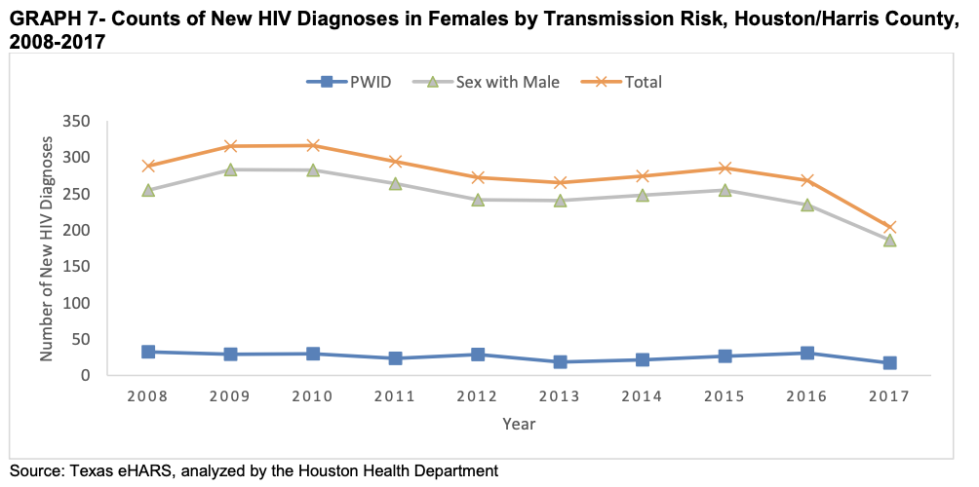
Specific EHE priority county: | 2019 Epi Profile
Harris County | Additional figures that could be useful if we eyeball values:

MSA has 9 counties, but Harris by far the largest (6x larger than next largest county) | Page 42:
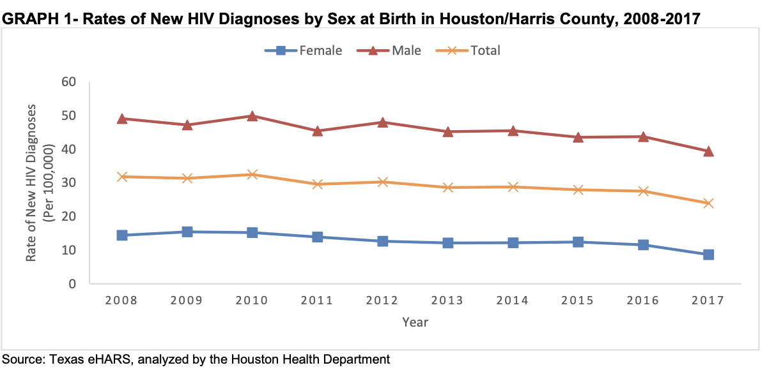
Houston Health Department
http://www.houstontx.gov/health/HIV-STD/index.html
http://www.houstontx.gov/health/HIV-STD/Documents/2019-Epi-Profile-Final-20191212.pdf

2018 Report (for 2018 total)
http://www.rwpchouston.org/Publications/2020%20Epi%20Supplement%20FINAL-03-12-20.pdf
Gives a fraction aware of .765 that is very different from other years - we are not using

2014 Report (2012 data)
https://silo.tips/download/hiv-aids-in-the-houston-area-5

2013 report (2011 data)
https://www.houstontx.gov/health/HIV-STD/2013_Epi_Profile%20--APPROVED--05-09-13.pdf

Linkage 2016-18 | Page 46:
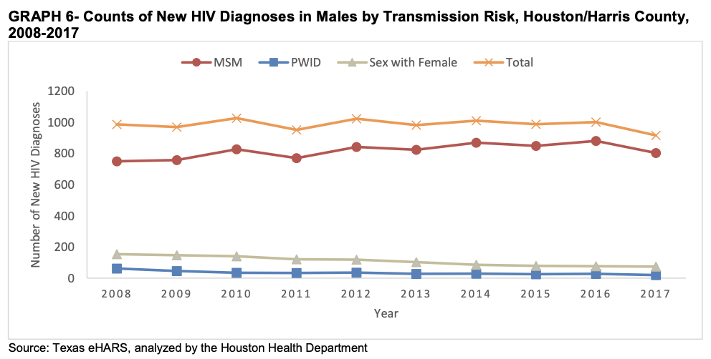
Other links:
http://rwpchouston.org/Publications/Past_publications.htm

